Boots Stock
Photo | Style | Brand | Colour | Cartons | Pairs | RRP | Total RRP | Comments
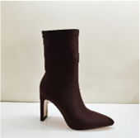 | NF-4034 | I Saw It First | Black Lycra | 19 | 228 | £29.99 | £6,837.72 | Size 3 to 8
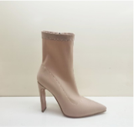 | NF-4034 | I Saw It First | Stone Lycra | 20 | 240 | £29.99 | £7,197.60 | Size 3 to 8
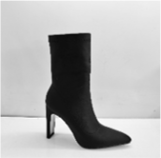 | NF-4034 | I Saw It First | Chocolate Lycra | 26 | 312 | £29.99 | £9,356.88 | Size 3 to 8
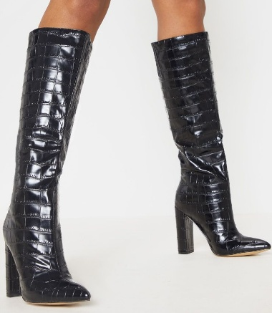 | NF-2172 | Pretty Little Thing | Black Matt Croc | 76 | 912 | £28.00 | £25,536.00 | Size 3 to 8
 |  |  |  |  | 1692 |  | £48,928.20

